Extras1
Version1 | 100m^2 çatı | Alfas 550wp | 15kWe 1 adet Huawei inverter |  | 88.33 m^2 module area |  | 17,2 string in paralel |  |  | 2 MPPT
Output: | jan | feb | march | april
2022 tmy | 1208.84 | 1571.34 | 2361.14 | 2660.54 | 2793.68 | 2782.84 | 3452.22 | 3257.3 | 2882.42 | 2412.81 | 2149.12 | 1352.9
2014 tmy | 1370.26 | 1834.1 | 2320.98 | 2660.54 | 2737.02 | 2946.53 | 3331.4 | 3415.91 | 3047.5 | 2180.55 | 1704.37 | 1370.66

Version2 | 200m^2 çatı | Alfas 550wp | 36kWe 1 adet Huawei inverter |  | 176.66 m^2 module area |  | 17,4 string in paralel |  |  | 2 MPPT
Output: | jan | feb | march | april
2022 tmy | 2496.61 | 3256.98 | 4898.12 | 5465.29 | 5614.7 | 5578.79 | 6933.1 | 6581.73 | 5893.99 | 4954.63 | 4399.5 | 2728.55
2014 tmy | 2781.87 | 3754.57 | 4695.42 | 5414.22 | 5503.04 | 5922.27 | 6703.18 | 6900.52 | 6196.14 | 4444.39 | 3443.33 | 2790.84

Version3 | 500m^2 çatı | Alfas 550wp | 50kWe 2 adet Huawei inverter |  | 441.650 m^2 module area |  | 17,10 string in paralel
Output: | jan | feb | march | april
2022 tmy | 6225.68 | 8113.14 | 12214.4 | 13608.4 | 13980.4 | 13890.9 | 17263 | 16388.2 | 14675.9 | 12337.1 | 10955 | 6794.68
2014 tmy | 6951.21 | 9712.35 | 11854.7 | 13608.4 | 13709.5 | 14746.1 | 16690.7 | 17185.6 | 15491.7 | 11216.9 | 8597.34 | 7025.7

Version4 | 1000m^2 çatı | Alfas 550wp | 50kWe 3 adet Huawei inverter |  | 794.97 m^2 module area |  | 17,18 string in paralel
Output: | jan | feb | march | april
2022 tmy | 11125.5 | 14488 | 21737.6 | 24437.7 | 25165.5 | 25004.5 | 31074.2 | 29497.2 | 26392.7 | 22163.5 | 19702 | 12231.7
2014 tmy | 12513 | 17083.7 | 21182.9 | 24437.7 | 24678 | 26543.9 | 30044.1 | 30935 | 27870.6 | 20096.2 | 15469.1 | 12595.5

Version5 | 5000m^2 arazi | Alfas BF 550wp | 250kWe 2 adet Sungrow inverter |  | 2836.95 m^2 module area |  | 26,42 string in paralel
Output: | jan | feb | march | april
2022 tmy | 41724.6 | 52749.6 | 78851.2 | 88718.6 | 93412.1 | 93285.5 | 115097 | 108175 | 95472.5 | 79785.6 | 70950 | 44572.6
2014 tmy | 45568.9 | 61377 | 77052.5 | 88718.6 | 91731.3 | 98864 | 111562 | 113538 | 100897 | 72257.3 | 56291.2 | 46052.7

Version6 | 10000m^2 arazi | Alfas BF 550wp | 250kWe 4 adet Sungrow inverter |  | 5673.9 m^2 module area |  | 26,84 string in paralel
Output: | jan | feb | march | april
2022 tmy | 83449.2 | 105499 | 157702 | 177437 | 186824 | 186571 | 230195 | 216351 | 190945 | 159571 | 141900 | 89145.1
2014 tmy | 91137.7 | 122754 | 154105 | 177437 | 183463 | 197728 | 223123 | 227076 | 201793 | 144515 | 112582 | 92105.4

Version7 | 50000m^2 arazi | Alfas BF 550wp | 250kWe 20 adet Sungrow inverter |  | 28369.5 m^2 module area |  | 26,420 string in paralel
Output: | jan | feb | march | april
2022 tmy | 417246 | 527496 | 788512 | 887186 | 934121 | 932855 | 1150970 | 1081750 | 954725 | 797856 | 709500 | 445726
2014 tmy | 455689 | 613770 | 770525 | 887186 | 917313 | 988640 | 1115620 | 1135380 | 1008970 | 722573 | 562912 | 460527

Version8 | 100000m^2 arazi | Alfas BF 550wp | 250kWe 40 adet Sungrow inverter |  | 56739 m^2 module area |  | 26,840 string in paralel
Output: | jan | feb | march | april
2022 tmy | 834492 | 1054990 | 1577020 | 1774370 | 1868240 | 1865710 | 2301950 | 2163510 | 1909450 | 1595710 | 1419000 | 891451
2014 tmy | 911377 | 1227540 | 1541050 | 1774370 | 1834630 | 1977280 | 2231230 | 2270760 | 2017930 | 1445150 | 1125820 | 921054

 | Q1 | Q2 | Q3 | Q4 |  |  |  | DC / kWp | Cost 2024$ | O&M Cost 2024$/year
Version1 | 5141.32 | 8237.06 | 9591.94 | 5914.83 | 5141.32,8237.06,9591.94,5914.83 |  |  | 18.70 | 20047.09 | 156.03754063
Version2 | 10651.71 | 16658.78 | 19408.82 | 12082.68 | 10651.71,16658.78,19408.82,12082.68 |  |  | 37.40 | 32570.23 | 312.07508126
Version3 | 26553.22 | 41479.7 | 48327.1 | 30086.78 | 26553.22,41479.7,48327.1,30086.78 |  |  | 93.50 | 59337.98 | 780.18770314
Version4 | 47351.1 | 74607.7 | 86964.1 | 54097.2 | 47351.1,74607.7,86964.1,54097.2 |  |  | 168.30 | 88896.68 | 1404.3378657
Version5 | 173325.4 | 275416.2 | 318744.5 | 195308.2 | 173325.4,275416.2,318744.5,195308.2 |  |  | 600.60 | 631742.35 | 5011.5586578
Version6 | 346650.2 | 550832 | 637491 | 390616.1 | 346650.2,550832,637491,390616.1 |  |  | 1201.20 | 945275.96 | 10023.117316
Version7 | 1733254 | 2754162 | 3187445 | 1953082 | 1733254,2754162,3187445,1953082 |  |  | 6006.00 | 3190170.44 | 50115.586578
Version8 | 3466502 | 5508320 | 6374910 | 3906161 | 3466502,5508320,6374910,3906161 |  |  | 12012.00 | 5832190.22 | 100231.17316

 | Cumulative rate of inflation from 2022 to 2024
 | 1.07566

 |  | 2024 O&M Cost
 |  | 7.7573336459 | 2022 USD/kW/year
 |  | 8.3442535095 | 2024 USD/kW/year

 | Metrics | Version1 | Version2 | Version3 | Version4 | Version5 | Version6 | Version7 | Version8
 | Initial Cost | 20047.09 | 32570.23 | 59337.98 | 88896.68 | 631742.35 | 945275.96 | 3190170.44 | 5832190.22
 | Initial Efficiency | 21.17 | 21.17 | 21.17 | 21.17 | 21.17 | 21.17 | 21.17 | 21.17
 | Initial Emission | 0 | 0 | 0 | 0 | 0 | 0 | 0 | 0
 | Periodic Electricity Production | 5141.32,8237.06,9591.94,5914.83 | 10651.71,16658.78,19408.82,12082.68 | 26553.22,41479.7,48327.1,30086.78 | 47351.1,74607.7,86964.1,54097.2 | 173325.4,275416.2,318744.5,195308.2 | 346650.2,550832,637491,390616.1 | 1733254,2754162,3187445,1953082 | 3466502,5508320,6374910,3906161
 | Periodic Thermal Production | 0,0,0,0 | 0,0,0,0 | 0,0,0,0 | 0,0,0,0 | 0,0,0,0 | 0,0,0,0 | 0,0,0,0 | 0,0,0,0
 | Lifetime | 25 | 25 | 25 | 25 | 25 | 25 | 25 | 25
 | Segment | Clean | Clean | Clean | Clean | Clean | Clean | Clean | Clean
 | Degradation rate | 0.005 | 0.005 | 0.005 | 0.005 | 0.005 | 0.005 | 0.005 | 0.005
 | Initial O&M cost | 156.03754063 | 312.07508126 | 780.18770314 | 1404.34 | 5011.56 | 10023.12 | 50115.59 | 100231.17
 | O&M cost change by age | 1 | 1 | 1 | 1 | 1 | 1 | 1 | 1
 | Depreciation rate | 0.025 | 0.025 | 0.025 | 0.025 | 0.025 | 0.025 | 0.025 | 0.025
 | Initial tech salvage value | 20047.09 | 32570.23 | 59337.98 | 88896.68 | 631742.35 | 945275.96 | 3190170.44 | 5832190.22
 | Initial Amount | 0 | 0 | 0 | 0 | 0 | 0 | 0 | 0

Extras2
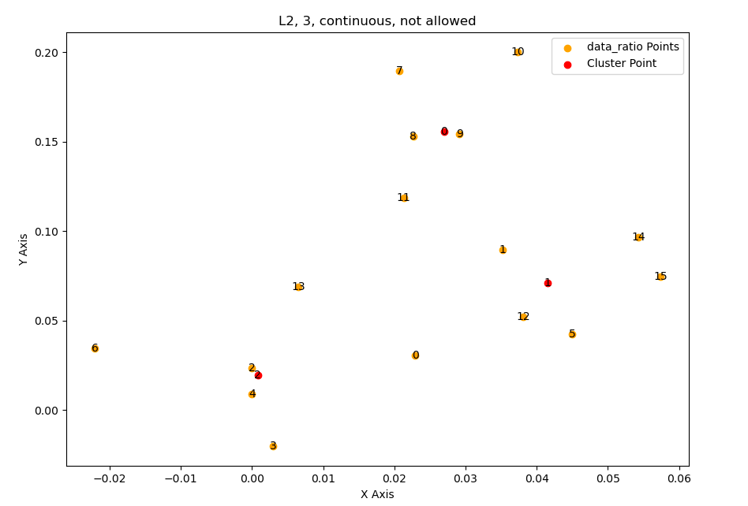
 | '''
 | x[0,0] = 0.026959580160185622 x[1,0] = 0.15575314059699774
 | x[0,1] = 0.04153221735783926 x[1,1] = 0.07096033911903228
 | x[0,2] = 0.0008102735237576885 x[1,2] = 0.019499099067965004

 | Geometric median: [0.02661469 0.1556113 ]
 | Geometric median: [0.041811 0.07124102]
 | Geometric median: [0.00039564 0.01923379]
 | '''

 | O&M costs

 |  | OECD | Non-OECD
 | Year | 2022 USD/kW/year | 2022 USD/kW/year
 | 2010 | 27.1 | 25.6
 | 2011 | 24 | 23.5 | 0.085591930335
 | 2012 | 23.4 | 18.2 | 0.25557882707
PV O&M change by year
 | 2013 | 22.9 | 15.4 | 0.16705408466
 | 2014 | 22.4 | 13.7 | 0.11697167659
 | 2015 | 21.7 | 12.4 | 0.099699360223
 | 2016 | 21.1 | 11.3 | 0.092893746893
 | 2017 | 21.5 | 10.9 | 0.036039936483
 | 2018 | 20.1 | 10.4 | 0.046956983088
 | 2019 | 19.2 | 9.9 | 0.049271049007
 | 2020 | 18.2 | 9.6 | 0.030771658667
 | 2021 | 18.2 | 9.6 | 0
 | 2022 | 17.8 | 9.2 | 0.042559614419
 |  |  | 8.4479269376
 |  |  | 7.7573336459
 |  |  | 7.1231943338 |  | 0.085282405619
 |  |  | 6.5408940537 |  | 0.91825292799
 |  |  | 6.0061951165
 |  |  | 5.5152062518

 |  | Çatı 1 | Çatı 2 | Çatı 3 | Çatı 4 | Arazi 1 | Arazi 2 | Arazi 3 | Arazi 4
Panel + Inverter |  | 5130 | 8310 | 19799 | 34467 | 113638 | 227276 | 1136380 | 2272760
Malzeme Toplam |  | 10941 | 19651 | 35396 | 53924 | 323503 | 505567 | 1966399 | 3681480
Malzeme + İşçilik Toplam |  | 16989 | 27601 | 50286 | 75336 | 535374 | 801081 | 2703534 | 4942534
Kar Dahil |  | 20047 | 32570 | 59338 | 88897 | 631742 | 945276 | 3190170 | 5832190

Panel + Inverter |  | 0.2558986382 | 0.25514276942 | 0.33366476794 | 0.3877183707 | 0.17988039421 | 0.24043348186 | 0.35621299178 | 0.38969237971
Malzeme Toplam |  | 0.5457674465 | 0.60334663801 | 0.59651488085 | 0.60658964869 | 0.51208088112 | 0.53483532852 | 0.61639317027 | 0.63123457912 | 0.58084532164 | 0.58
Malzeme + İşçilik Toplam |  | 0.84745847259 | 0.84743629107 | 0.84745020055 | 0.84745266994 | 0.84745671492 | 0.84745725058 | 0.847457659 | 0.84745764456

 |  |  |  |  |  |  |  |  |  | 0.41915467836 | 0.42
 |  |  |  |  |  |  |  |  |  | 0.016766187135 | 0.0168

